1. Title Page
Project Name: Instacart Grocery Basket Analysis
Date: July 06, 2023
Analyst Name: Michael Adarkwa Yeboah

Contents:
Population Flow
Consistency checks
Wrangling steps
Column derivations
Visualizations
Recommendations

Data Citation:
“The Instacart Online Grocery Shopping Dataset 2017”, Accessed from www.instacart.com/datasets/grocery-shopping-2017 via Kaggle on July 06, 2023.

2. Population Flow
Title page

Population flow

Exclusion flag
Condition: max_order < 5 ('low-activity' customers)
Obervations to be removed: 1,440,295
Final total count of order_products_all: 30,964,564

Orders_products_combined
Orders_products_merged
Orders_products_all

Total: 32,404,859
Total: 32,434,489
Total: 32,404,859

1.) The grey boxes in the first row of the population flow represent the original data sets as they were when you downloaded them. In the Total fields you need to add the count of the rows when you imported the data set into Jupyter.
2.) The second row of boxes (coloured) represents the data sets after you manipulated them, e.g., removed missing values and duplicates. In the Total fields you need to add the count of the rows after conducting these operations. This offers a visual oveview of how the data flows throughout the data consistency checks.
3.) The third row, where also the arrows are coloured, represents the merges you performed between the datasets. In the Total fields you need to add the count of the rows in the merged datasets, so that you end up with the final dataset (in the red box). Keep in mind the final dataset should be without exclusions (based on the exclusion flag).

3. Consistency checks
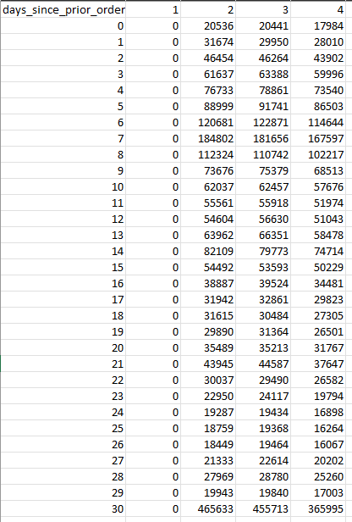
 |  |  |  | Title page
Consistency checks

Dataset | Missing values | Missing values treatment | Duplicates
orders | 206209 from 'days_since_prior_order' | Leave as missing since they belong to new customers without a prior order history | No duplicates found
products | 16 from 'product_name' | Create new df without missing values | 5 duplicates were found and removed
orders_products_prior | No missing values | N/A | No duplicates found
customers | 11259 from 'First Name' | Leave as missing since we don't have the correct source to fill them in | No duplicates found

Performed a check to confirm assumption that the missing values in the 'days_since_prior_order' column from the orders dataset are due to them belonging to customers' first orders which cannot have any days before a nonexistent prior order.

4. Wrangling steps
 |  |  |  | Title page
Wrangling steps

Columns dropped | Columns renamed | Columns' type changed | Comment/Reason
eval_set from orders.csv |  |  | Not needed in dataframe
 | order_dow from orders.csv |  | Renamed to orders_day_of_week for clarity
 |  | order_id from orders.csv | Changed from numeric to string
 |  | user_id from orders.csv | Changed from numeric to string
 | Surnam from customers.csv |  | Renamed to 'Last Name' for clarity
 | STATE from customers.csv |  | Renamed to 'State'
 |  | First Name from customers.csv | Changed from mixed data type to string
First Name from customers.csv |  |  | Dropped because it is PII data
Last Name from customers.csv |  |  | Dropped because it is PII data

5. Column derivations
 |  |  |  |  |  | Title page

Column derivations and aggregations

Dataset | New column | Column/s it was derived from | Conditions | Frequency | Script Location
df_orders_products_merged | price_range_loc | prices | prices <= 5 are 'Low range product' | 10126321 | 4.7 Deriving New Variables
df_orders_products_merged | price_range_loc | prices | prices > 5 and <= 15 are 'Mid range product' | 21860860
df_orders_products_merged | price_range_loc | prices | prices > 15 are 'High range product' | 417678

df_orders_products_merged | busiest_day | orders_day_of_week | The busiest day is 'Busiest day' | 6204182 | 4.7 Deriving New Variables
df_orders_products_merged | busiest_day | orders_day_of_week | The least busy day is 'Least busy' | 3783802
df_orders_products_merged | busiest_day | orders_day_of_week | All other days are 'Regularly busy' | 22416875

df_orders_products_merged | busiest_days | orders_day_of_week | The 2 busiest days are 'Busiest days' | 11864412 | 4.7 Deriving New Variables
df_orders_products_merged | busiest_days | orders_day_of_week | The 2 least busy days are 'Least busy days' | 7624336
df_orders_products_merged | busiest_days | orders_day_of_week | All other days are 'Regularly busy' | 12916111

df_orders_products_merged | busiest_period_of_day | order_hour_of_day | The 8 hours with the most orders are 'Most orders' | 21118071 | 4.7 Deriving New Variables
df_orders_products_merged | busiest_period_of_day | order_hour_of_day | The 8 hours with the least orders are 'Fewest orders' | 1289137
df_orders_products_merged | busiest_period_of_day | order_hour_of_day | The remaining 8 hours are 'Average orders' | 9997651

df_orders_products_merged | loyalty_flag | max_order | max_order > 40 is 'Loyal customer' | 10284093 | 4.8 Grouping Data & Aggregating Variables
df_orders_products_merged | loyalty_flag | max_order | max_order > 10 and <= 40 is 'Regular customer' | 15876776
df_orders_products_merged | loyalty_flag | max_order | max_order <= 10 is 'New customer' | 6243990

df_orders_products_merged | spending_flag | mean_price | mean_price < 10 is 'Low spender' | 31770742 | 4.8 Grouping Data & Aggregating Variables
df_orders_products_merged | spending_flag | mean_price | mean_price >= 10 is 'High spender' | 634117

df_orders_products_merged | frequency_flag | median_days_since_prior_order | median > 20 is 'Non-frequent customer' | 3636437 | 4.8 Grouping Data & Aggregating Variables
df_orders_products_merged | frequency_flag | median_days_since_prior_order | median > 10 and <= 20 is 'Regular customer | 7208564
df_orders_products_merged | frequency_flag | median_days_since_prior_order | median <= 10 is 'Frequent customer' | 21559853

df_ords_prod_cust | region | State | Northeast | 5722736 | Task 4.10 Part 1a
df_ords_prod_cust | region | State | Midwest | 7597325
df_ords_prod_cust | region | State | South | 10791885
df_ords_prod_cust | region | State | West | 8292913

df_ords_prod_cust | customer_activity | max_order | max_order >= 5 is 'High-activity' | 30964564 | Task 4.10 Part 1a
df_ords_prod_cust | customer_activity | max_order | max_order < 5 is 'Low-activity' | 1440295

df_high_activity_cust | age_flag | Age | Age >= 60 is 'Senior' | 10574504 | Task 4.10 Part 1b
df_high_activity_cust | age_flag | Age | Age >= 45 and < 60 is 'Middle Age' | 7311091
df_high_activity_cust | age_flag | Age | Age >= 26 and < 45 is 'Adult' | 9214451
df_high_activity_cust | age_flag | Age | Age < 26 is 'Young adult' | 3864518

df_merged | income_flag | income | income <= 50000 is 'Low income' | 3362554 | Task 4.10 Part 1b
df_merged | income_flag | income | income > 50000 and <= 150000 is 'Middle income' | 23707476
df_merged | income_flag | income | income > 150000 is 'High income' | 3894534

df_merged | role_flag | n_dependants | n_dependants == 0 is 'Individual' | 7739681 | Task 4.10 Part 1b
df_merged | role_flag | n_dependants | n_dependants != 0 is 'Caregiver' | 23224883

6. Visualizations
 |  |  |  | Title page

Visualizations

Key Questions

1. What are the busiest days of the week?

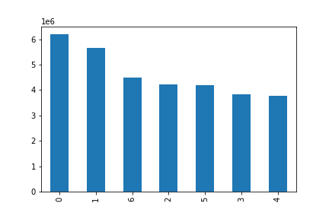

 | x-axis: day of the week
 | 0 = Saturday | The busiest days of the week are Saturday and Sunday. The least busy days of the week are Tuesday and Wednesday.
 | 1 = Sunday
 | 2 = Monday
 | 3 = Tuesday
 | 4 = Wednesday
 | 5 = Thursday
 | 6 = Friday

 | y-axis: number of orders

2. What are the busiest hours of the day?


 |  | The busiest hours of the day are between 9am to 4pm. The least busy hours of the day are between midnight to 6am.

 | x-axis: hour of the day

 | y-axis: number of orders

3. Are there particular times of the day when people spend the most money?
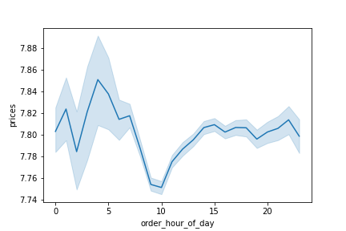

 |  | People spend the most money between 3-7am, and they spend the least money between 8-11am.

4. Instacart has many products with different price tags. Marketing and sales wants to use simpler price range groupings to help direct their efforts.
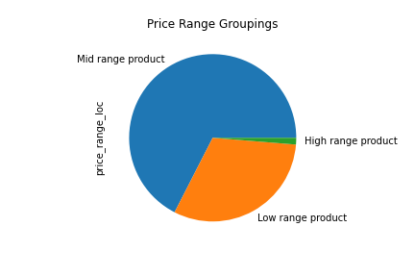

 |  | Prices have been grouped into 'Low range product', 'Mid range product', and 'High range product'

5. Which departments have the highest frequency of product orders?
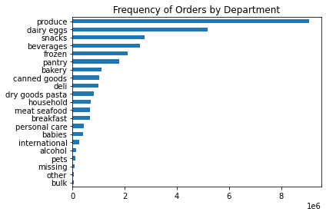

 |  | The produce, dairy eggs, snacks, and beverages departments have the highest frequency of orders.

 | x-axis: number of orders

6. What is the distribution among users in regards to their brand loyalty?
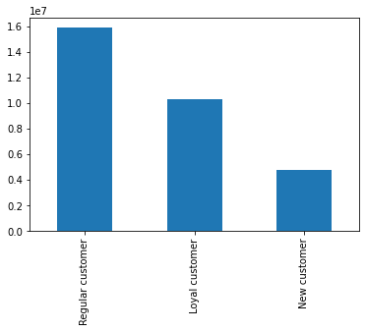

 |  | The majority of users (49%) are regular customers who have placed between 11-40 orders. Next are loyal customers (32%) who have placed more than 40 orders. Last are new customers (19%) who have placed 10 or fewer orders.

 | y-axis: number of orders

7. Are there differences in ordering habits based on a customer's loyalty status?

 |  |  | The vast majority of loyal customers (99.96%) are frequent customers, with 0 non-frequent customers. The majority of regular customers (61%) are frequent customers. The majority of new customers (41%) are non-frequent customers. The majority of all 3 customer loyalty groups are low spenders. There is a higher % of high spenders in the loyal customer group than the regular or new customer groups.

8. Are there differences in ordering habits based on a customer's region?

 |  |  | There are no significant differences in order frequency or order amount based on a customer's region. The results between regions are quite similar.

9. Is there a connection between age and family status in terms of ordering habits?

By order frequency:

 |  |  |  |  | There are no significant differences in order frequency between a customer's age and family status.

By order amount:

 |  |  | There are no significant differences in order amount between a customer's age and family status.

10. What different classifications does the demographic information suggest?

Customers can be grouped by their age, income, and role (based on number of dependants)

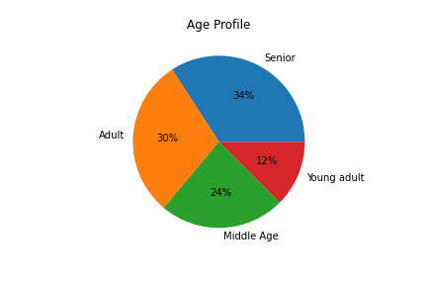
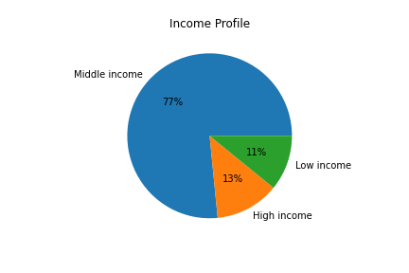
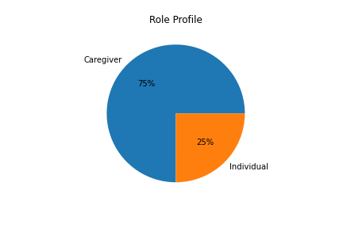

11. What differences can you find in ordering habits of different customer profiles?

By department:

Age profile: Seniors (>= 60) place the most orders across all departments, followed by adults. Produce is the most popular department across all age groups, followed by dairy eggs. |  |  | Income profile: Middle income customers place the most orders across all departments. High income customers buy more produce than low income customers, while low income customers buy more snacks than high income customers.

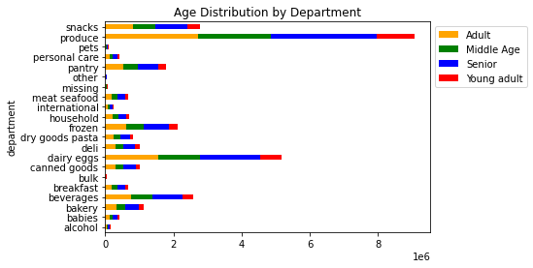
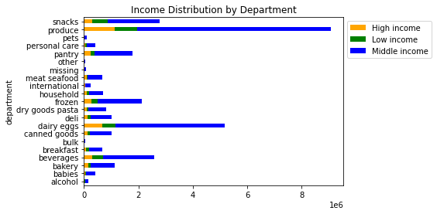

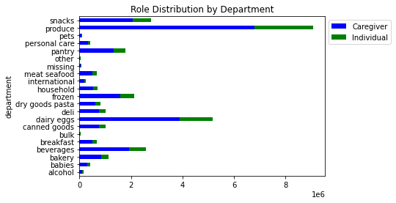

 |  | Role profile: Caregivers order more from each department than individuals.

By region:

Age profile: Seniors are the majority in each region. The South has the highest number of customers across all age groups. |  | Income profile: Middle income customers are the majority in each region. The South has the highest number of customers across all income groups.

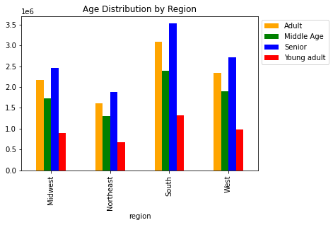
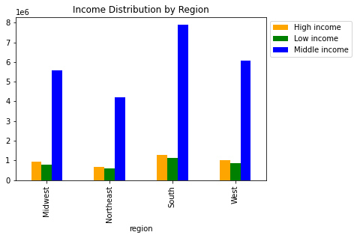

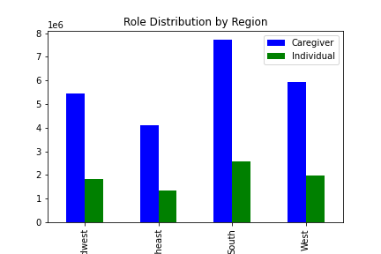

 | Role profile: Caregivers are the majority in each region.

7. Recommendations
 |  |  | Title page

Recommendations

Key Questions

1. What are the busiest days of the week?

Answer:
The busiest days of the week are Saturday and Sunday. The least busy days of the week are Tuesday and Wednesday.

Recommendation:
Schedule ads during the weekdays when there are fewer orders, with the most ads on Tuesday and Wednesday since those are the least busy days.

2. What are the busiest hours of the day?

Answer:
The busiest hours of the day are between 9am to 4pm. The least busy hours of the day are between midnight to 6am.

Recommendation:
Schedule ads during the least busy hours (midnight to 6am) but keep in mind the majority of people are probably sleeping during that time, so it might be more effective to schedule ads during non-peak hours between 7-8am and after 4pm.

3. Are there particular times of the day when people spend the most money?

Answer:
People spend the most money between 3-7am, and they spend the least money between 8-11am.

Recommendation:
Schedule deals for high range products between 3-7am when people tend to spend the most money. Schedule deals for low and mid range products between 8-11am when people spend the least money.

4. Instacart has many products with different price tags. Marketing and sales wants to use simpler price range groupings to help direct their efforts.

Answer:
Prices have been grouped into 'Low range product', 'Mid range product', and 'High range product'

Low range product: less than or equal to $5
Mid range product: between $5 and $15
High range product: more than $15

5. Which departments have the highest frequency of product orders?

Answer:
The produce, dairy eggs, snacks, and beverages departments have the highest frequency of orders.

Recommendation:
Identify the top selling products in each of these top 4 departments to create ads for. Investigate less popular departments to see if there are any patterns to help increase sales.

6. What is the distribution among users in regards to their brand loyalty?

Answer:
The majority of users (49%) are regular customers who have placed between 11-40 orders. Next are loyal customers (32%) who have placed more than 40 orders. Last are new customers (19%) who have placed 10 or fewer orders.

Recommendation:
Offer a rewards or points program that incentivizes customers to "level" up by making more orders. Each successive level can have a larger discount on products, as well as offer a complimentary item after meeting certain conditions.

7. Are there differences in ordering habits based on a customer's loyalty status?

Answer:
The vast majority of loyal customers (99.96%) are frequent customers, with 0 non-frequent customers. The majority of regular customers (61%) are frequent customers. The majority of new customers (41%) are non-frequent customers. The majority of all 3 customer loyalty groups are low spenders. There is a higher percentage of high spenders in the loyal customer group than the regular or new customer groups.

Recommendation:
Offer a discount if customers place an order within 10 days of their previous order, which would make them a "frequent" customer. Offer perks such as free delivery above a certain price to encourage more spending per order across all 3 loyalty groups.

8. Are there differences in ordering habits based on a customer's region?

Answer:
There are no significant differences in order frequency or order amount based on a customer's region. The results between regions are quite similar.

Recommendation:
Continue checking for differences every quarter. Since the South has the most customers, investigate if it's due to population size or a difference in marketing strategies.

9. Is there a connection between age and family status in terms of ordering habits?

Answer:
There are no significant differences in order frequency or amount between a customer's age and family status.

Recommendation:
Since 98% of customers across all age groups and family status are low spenders, marketing strategies can work toward boosting spending above $10/order. This could be through offering discounts and/or free delivery with larger order sizes.

10. What different classifications does the demographic information suggest?

Answer:

By Age: | By Income: | By Role:
34% Seniors | 77% Middle income | 75% Caregiver
30% Adults | 13% High income | 25% Individual
24% Middle Age | 11% Low income
12% Young Adults

Recommendation:
Focus the majority of marketing efforts on middle income customers and caregivers since they make up the majority of the customer base.

11. What differences can you find in ordering habits of different customer profiles?

Answer:
Age profile: Seniors place the most orders across all departments, followed by adults. Produce is the most popular department across all age groups, followed by dairy eggs.

Income profile: Middle income customers place the most orders across all departments. High income customers buy more produce than low income customers, while low income customers buy more snacks than high income customers.

Role profile: Caregivers order more from each department than individuals.

Recommendation:
Similar to the previous recommendation, focus the majority of marketing efforts on middle income customers and caregivers since they make up the majority of the customer base. Offer deals for produce since that is the most popular department. Target middle and high income customers with ads about organic produce because they're likely to spend more. Target low income customers with promotions for snacks.

